Sheet1
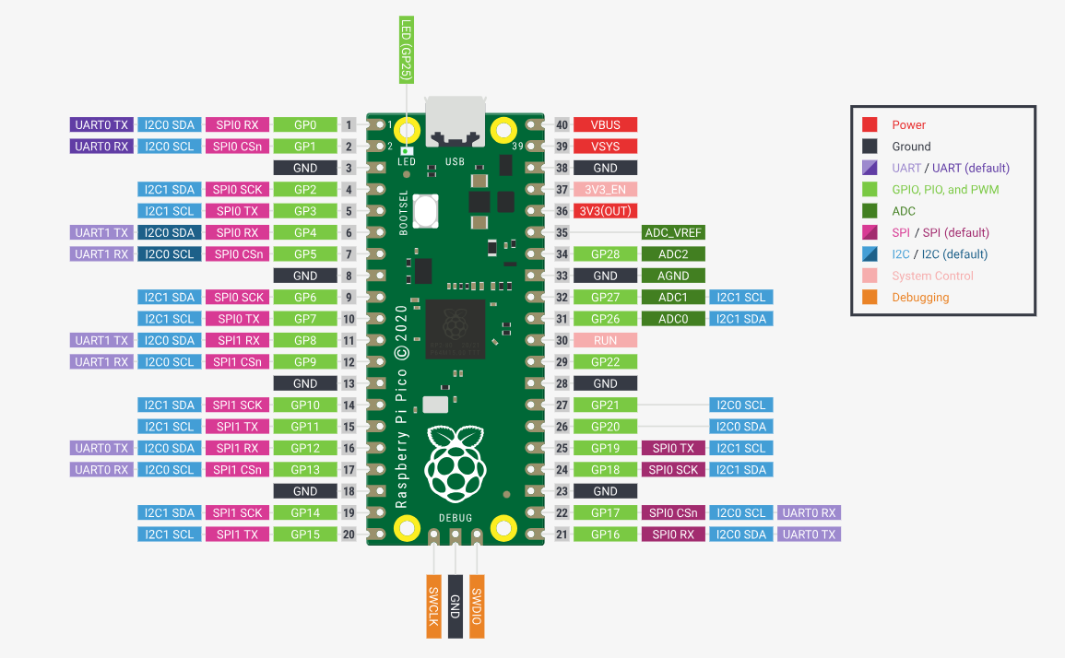
 | SCL | 9 | out
 | SDA | 8 | inout
 | VS | 13 | in
 | HS | 12 | in |  |  |  |  |  |  |  |  |  |  |  |  |  |  |  | GP0 | 1 |  | 40 | VBUS
 | PLK | 11 | in |  |  |  |  |  |  |  |  |  |  |  |  |  |  |  | GP1 | 2 |  | 39 | VSYS
 | XLK | 10 | out |  |  |  |  |  |  |  |  |  |  |  |  |  |  |  | GND | 3 |  | 38 | GND
 | D0 | 0 | in |  |  |  |  |  |  |  |  |  |  |  |  |  |  |  | GP2 | 4 |  | 37 | 3V3_EN
 | D1 | 1 | in |  |  |  |  |  |  |  |  |  |  |  |  |  |  |  | GP3 | 5 |  | 36 | 3.3V(OUT)
 | D2 | 2 | in |  |  |  |  |  |  |  |  |  |  |  |  |  |  |  | GP4 | 6 |  | 35
 | D3 | 3 | in |  |  |  |  |  |  |  |  |  |  |  |  |  |  |  | GP5 | 7 |  | 34 | GP28
 | D4 | 4 | in |  |  |  |  |  |  |  |  |  |  |  |  |  |  |  | GND | 8 |  | 33 | GND
 | D5 | 5 | in |  |  |  |  |  |  |  |  |  |  |  |  |  |  |  | GP6 | 9 | PICO | 32 | GP27
 | D6 | 6 | in |  |  |  |  |  |  |  |  |  |  |  |  |  |  |  | GP7 | 10 |  | 31 | GP26
 | D7 | 7 | in |  |  |  |  |  |  |  |  |  |  |  |  |  |  |  | GP8 | 11 |  | 30 | RUN
 |  |  |  |  |  |  |  |  |  |  |  |  |  |  |  |  |  |  | GP9 | 12 |  | 29 | GP22
spi | MISO(RX) | 16 |  |  |  |  |  |  |  |  |  |  |  |  |  |  |  |  | GND | 13 |  | 28 | GND
 | MOSI(TX) | 19 |  |  |  |  |  |  |  |  |  |  |  |  |  |  |  |  | GP10 | 14 |  | 27 | GP21
 | SCL | 18 |  |  |  |  |  |  |  |  |  |  |  |  |  |  |  |  | GP11 | 15 |  | 26 | GP20
 | CS | 22 |  |  |  |  |  |  |  |  |  |  |  |  |  |  |  |  | GP12 | 16 |  | 25 | GP19
 | D/C | 20 |  |  |  |  | 14 |  |  |  |  |  |  |  |  |  |  |  | GP13 | 17 |  | 24 | GP18
 | rst | 21 |  |  |  |  | 15 |  |  |  |  |  |  |  |  |  |  |  | GND | 18 |  | 23 | GND
sdcard | cs | 17 |  |  |  |  | 26 |  |  |  |  |  |  |  |  |  |  |  | GP14 | 19 |  | 22 | GP17
 |  |  |  |  |  |  | 27 |  |  |  |  |  |  |  |  |  |  |  | GP15 | 20 |  | 21 | GP16
 |  |  |  |  |  |  | 28

 |  |  |  |  |  |  | SPI |  |  |  |  |  |  |  |  | 8bit

 |  |  | INOUT | D0 | GP0 | 1 |  | 40 | VBUS |  |  | INOUT | D0 | GP0 | 1 |  | 40 | VBUS
 |  |  | INOUT | D1 | GP1 | 2 |  | 39 | VSYS |  |  | INOUT | D1 | GP1 | 2 |  | 39 | VSYS
 |  |  |  |  | GND | 3 |  | 38 | GND |  |  |  |  | GND | 3 |  | 38 | GND
 |  |  | INOUT | D2 | GP2 | 4 |  | 37 | 3V3_EN |  |  | INOUT | D2 | GP2 | 4 |  | 37 | 3V3_EN
 |  |  | INOUT | D3 | GP3 | 5 |  | 36 | 3.3V(OUT) |  |  | INOUT | D3 | GP3 | 5 |  | 36 | 3.3V(OUT)
 |  |  | INOUT | D4 | GP4 | 6 |  | 35 |  |  |  | INOUT | D4 | GP4 | 6 |  | 35
 |  |  | INOUT | D5 | GP5 | 7 |  | 34 | GP28 |  |  | INOUT | D5 | GP5 | 7 |  | 34 | GP28
 |  |  |  |  | GND | 8 |  | 33 | GND |  |  |  |  | GND | 8 |  | 33 | GND
 |  |  | INOUT | D6 | GP6 | 9 | PICO | 32 | GP27 |  |  | INOUT | D6 | GP6 | 9 | PICO | 32 | GP27
 |  |  | INOUT | D7 | GP7 | 10 |  | 31 | GP26 |  |  | INOUT | D7 | GP7 | 10 |  | 31 | GP26
 |  |  | OUT | SDA | GP8 | 11 |  | 30 | RUN |  |  | IN | sel_sod | GP8 | 11 |  | 30 | RUN
 |  |  | OUT | SCL | GP9 | 12 |  | 29 | GP22 |  |  | IN | sel_poc | GP9 | 12 |  | 29 | GP22
 |  |  |  |  | GND | 13 |  | 28 | GND |  |  |  |  | GND | 13 |  | 28 | GND
 |  |  | OUT | XLK | GP10 | 14 |  | 27 | GP21 | rst | OUT | OUT | XLK | GP10 | 14 |  | 27 | GP21 | SIMD_CS
 |  |  | IN | PLK | GP11 | 15 |  | 26 | GP20 | D/C | OUT | IN | PLK | GP11 | 15 |  | 26 | GP20 | BUS_DIR | OUT
 |  |  | IN | HS | GP12 | 16 |  | 25 | GP19 | MOSI(TX) | OUT | IN | HS | GP12 | 16 |  | 25 | GP19 | CS | OUT
 |  |  | IN | VS | GP13 | 17 |  | 24 | GP18 | SCL | OUT | IN | VS | GP13 | 17 |  | 24 | GP18 | DC | OUT
 |  |  |  |  | GND | 18 |  | 23 | GND |  |  |  |  | GND | 18 |  | 23 | GND
 |  |  |  |  | GP14 | 19 |  | 22 | GP17 | cs | OUT | OUT | SDA | GP14 | 19 |  | 22 | GP17 | WR | OUT
 |  |  |  |  | GP15 | 20 |  | 21 | GP16 | MISO(RX) | IN | OUT | SCL | GP15 | 20 |  | 21 | GP16 | RD | OUT

 |  |  |  |  |  |  |  |  |  |  |  |  | GPIO0
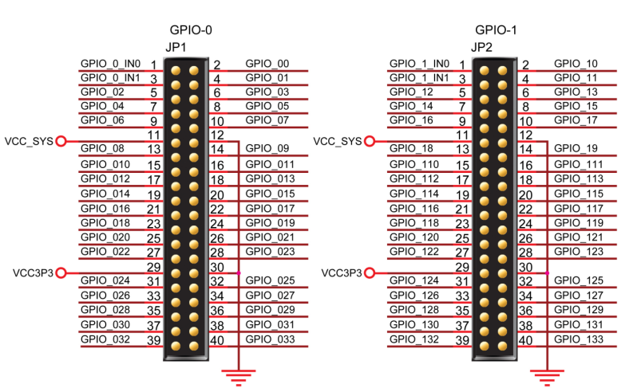
 |  |  |  |  |  |  |  |  |  |  |  | sel_sod | 1 | 2 | D0
 |  |  |  |  |  |  |  |  |  |  |  | sel_poc | 3 | 4 | D1
 |  |  |  |  |  |  |  |  |  |  |  | D2 | 5 | 6 | D3
 |  |  |  |  |  |  |  |  |  |  |  | D4 | 7 | 8 | D5
 |  |  |  |  |  |  |  |  |  |  |  | D6 | 9 | 10 | D7 |  |  | cd | rd
 |  |  |  |  |  |  |  |  |  |  |  | vcc_sys | 11 | 12 | GND |  |  | cs | wr
 |  |  |  |  |  |  |  |  |  |  |  | EXCUTE | 13 | 14 | BUS_DIR
 |  |  |  |  |  |  |  |  |  |  |  | wr | 15 | 16 | cs
 |  |  |  |  |  |  |  |  |  |  |  | rd | 17 | 18 | cd
 |  |  |  |  |  |  |  |  |  |  |  |  | 19 | 20
 |  |  |  |  |  |  |  |  |  |  |  | c_D | 21 | 22 | c_D
 |  |  |  |  |  |  |  |  |  |  |  | c_D | 23 | 24 | c_D
 |  |  |  |  |  |  |  |  |  |  |  | c_D | 25 | 26 | c_D
 |  |  |  |  |  |  |  |  |  |  |  | c_D | 27 | 28 | c_D
 |  |  |  |  |  |  |  |  |  |  |  | vcc | 29 | 30 | GND
 |  |  |  |  |  |  |  |  |  |  |  | TFT_D | 31 | 32 | TFT_D
 |  |  |  |  |  |  |  |  |  |  |  | TFT_D | 33 | 34 | TFT_D
 |  |  |  |  |  |  |  |  |  |  |  | TFT_D | 35 | 36 | TFT_D
 |  |  |  |  |  |  |  |  |  |  |  | TFT_D | 37 | 38 | TFT_D
 |  |  |  |  |  |  |  |  |  |  |  |  | 39 | 40

